Cover
Doc. No.: | REE/OPR/05
Rev.: | 0
Date: | 31-Mar-16

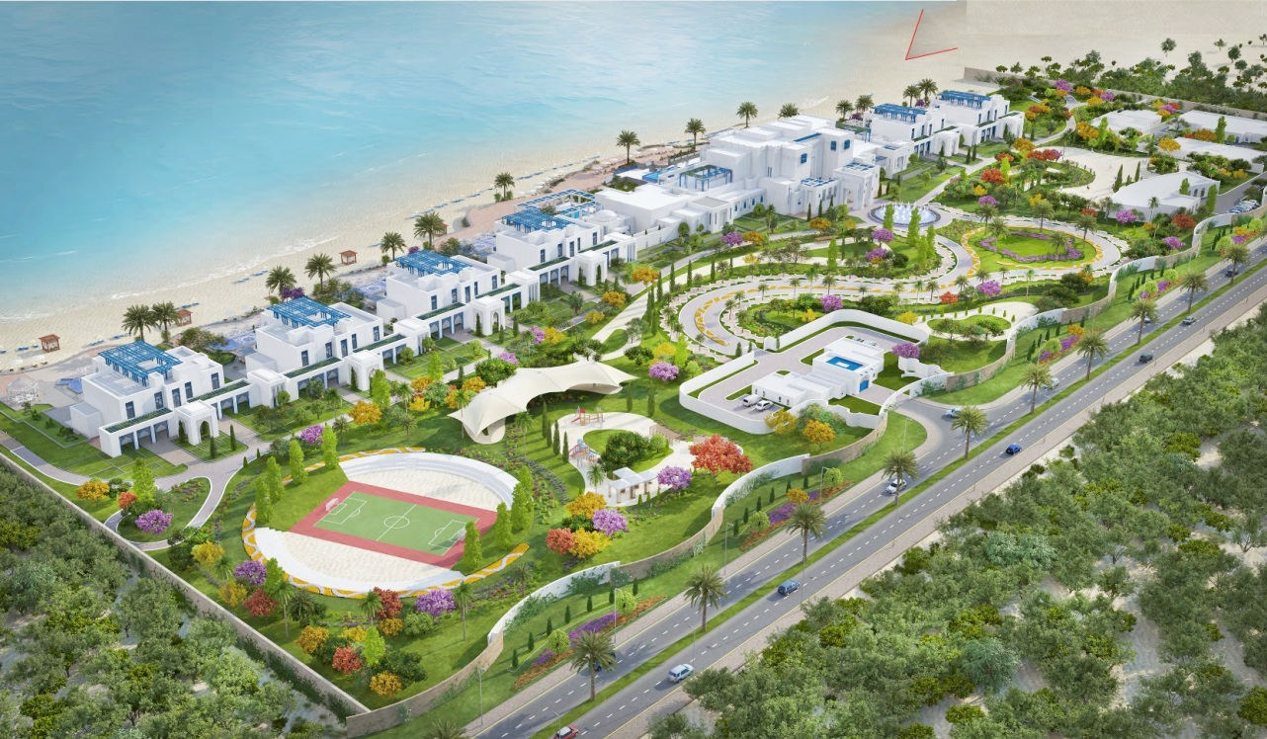

Client:
PRIVATE ENGINEERING OFFICE (PEO)
Consultant:
M/S DORSCH QATAR
Main Contractor:
M/S UCC
In house Sub Contractor:
Consolidated Engineering System CO. W.L.L (CESCO)
Al Mana Networks Solutions & Security Services
Asian Insulation Co.

AL JASASSIYA SOUTH HOUSE PROJECT
Proejct # R67-M1-15

4.1-Logs
 | R67-M1-15 - Monthly Project Report PROCUREMENT | Doc. No.: | REE/OPR/05.3
 |  | Rev.: | 0
 |  | Date.: | 31-Mar-16

31-Mar-16
Procurement Log Sheet Attached

7.3-sub-con
 | R67-M1-15 - Monthly Project Report CONSTRUCTION |  |  |  |  |  |  |  |  | Doc. No.: | REE/OPR/05.5
 |  |  |  |  |  |  |  |  |  | Rev.: | 0
 |  |  |  |  |  |  |  |  |  | Date: | 31-Mar-16

Sub Contractor- 1 Status
SubCon Name: |  |  | Consolidated Engineering System CO. W.L.L |  |  |  | Scope: |  | Fire Fighting
Sub-Contract Value |  |  |  | Approved VO |  | Total Scope Value |  |  |  | Claim |  |  | Certified as of
608,040.00 |  |  |  | 302,409.24 |  | 910,449.24 |  |  |  | 710,614.30 |  |  | 685,096.99
Progress |  | Engineering |  | Manpower | Material | Long Lead Items |  | Progress |  | Inspection |  | Claim by MEP (%)
Plan |  | 12 |  | 5 | 19 | 5 |  | 100.00%
Actual |  | 12 |  | 3 | 19 | 5 |  | 95.00%
Variance |  | 0 |  | -2 | 0 | 0 |  | -5.00%
Remarks
Sub Contractor- 2 Status
SubCon Name: |  |  | Al Mana Networks Solutions & Security Services |  |  |  | Scope: |  | BMS
Sub-Contract Value |  |  |  | Approved VO |  | Total Scope Value |  |  |  | Claim |  |  | Certified as of
620,000.00 |  |  |  |  |  | 620,000.00 |  |  |  | 620,314.93 |  |  | 558,018.52
Progress |  | Engineering |  | Manpower | Material | Long Lead Items |  | Progress |  | Inspection |  | Claim by MEP (%)
Plan |  | 32 |  | 7 | 2 | 1 |  | 100.00%
Actual |  | 32 |  | 5 | 2 | 1 |  | 88.00%
Variance |  | 0 |  | -2 | 0 | 0 |  | -12.00%
Remarks

Sub Contractor- 3 Status
SubCon Name: |  |  | Asian Insulation Co. |  |  |  | Scope: |  | Aluminium Clading on External Duct Work
Sub-Contract Value |  |  |  | Approved VO |  | Total Scope Value |  |  |  | Claim |  |  | Certified as of
424,800.00 |  |  |  |  |  | 424,800.00 |  |  |  | 349,973.94 |  |  | 286,253.94
Progress |  | Engineering |  | Manpower | Material | Long Lead Items |  | Progress |  | Inspection |  | Claim by MEP (%)
Plan |  | N/A |  | 9 | 1 | 1 |  | 75.00%
Actual |  | N/A |  | 5 | 1 | 1 |  | 67.39%
Variance |  | N/A |  | -4 | 0 | 0 |  | -7.61%
Remarks
Sub Contractor- 4 Status
SubCon Name: |  |  | Al Marshal Trading & Contracting |  |  |  | Scope: |  | Cable Pulling & PVC Sleeve Pipe Istallation
Sub-Contract Value |  |  |  | Approved VO |  | Total Scope Value |  |  |  | Claim |  |  | Certified as of
OPEN |  |  |  |  |  | OPEN |  |  |  | 701,691.00 |  |  | 701,691.00
Progress |  | Engineering |  | Manpower | Material | Long Lead Items |  | Progress |  | Inspection |  | Claim by MEP (%)
Plan |  | N/A |  | 21 | N/A | N/A |  | 100.00%
Actual |  | N/A |  | 23 | N/A | N/A |  | 100.00%
Variance |  | N/A |  | 2 | N/A | N/A |  | 0.00%
Remarks |  | Work Completed

Sub Contractor- 5 Status

SubCon Name: |  |  | Asian Insulation Co. |  |  |  | Scope: |  | Installation Of Duct
Sub-Contract Value |  |  |  | Approved VO |  | Total Scope Value |  |  |  | Claim |  |  | Certified as of
OPEN |  |  |  |  |  | OPEN |  |  |  | 314,568.91 |  |  | 306,784.85
Progress |  | Engineering |  | Manpower | Material | Long Lead Items |  | Progress |  | Inspection |  | Claim by MEP (%)
Plan |  |  |  |  |  |  |  | 100.00%
Actual |  |  |  |  |  |  |  | 100.00%
Variance |  |  |  |  |  |  |  | 0.00%
Remarks |  | Work Completed

Sub Contractor- 6 Status

SubCon Name: |  |  | URUK Constructions Trade & Services WLL |  |  |  | Scope: |  | Installation Of Duct With Insulation
Sub-Contract Value |  |  |  | Approved VO |  | Total Scope Value |  |  |  | Claim |  |  | Certified as of
OPEN |  |  |  |  |  | OPEN |  |  |  | 165,894.00 |  |  | 165,894.00
Progress |  | Engineering |  | Manpower | Material | Long Lead Items |  | Progress |  | Inspection |  | Claim by MEP (%)
Plan |  |  |  |  |  |  |  | 100.00%
Actual |  |  |  |  |  |  |  | 100.00%
Variance |  |  |  |  |  |  |  | 0.00%
Remarks |  | Scope of work already Completed and this subcontractor already demobilized from site

Sub Contractor- 7 Status
SubCon Name: |  |  | Safty Committee For Safty Security |  |  |  | Scope: |  | Installation Of Sprinkler System
Sub-Contract Value |  |  |  | Approved VO |  | Total Scope Value |  |  |  | Claim |  |  | Certified as of
OPEN |  |  |  |  |  | OPEN |  |  |  | 58,369.00 |  |  | 55,980.50
Progress |  | Engineering |  | Manpower | Material | Long Lead Items |  | Progress |  | Inspection |  | Claim by MEP (%)
Plan |  |  |  |  |  |  |  | 100.00%
Actual |  |  |  |  |  |  |  | 100.00%
Variance |  |  |  |  |  |  |  | 0.00%
Remarks |  | Scope of work already Completed and this subcontractor already demobilized from site
Sub Contractor- 8 Status

SubCon Name: |  |  | ACACIA Intermational Group |  |  |  | Scope: |  | Installation Of Duct
Sub-Contract Value |  |  |  | Approved VO |  | Total Scope Value |  |  |  | Claim |  |  | Certified as of
OPEN |  |  |  |  |  | OPEN |  |  |  | 20,250.00 |  |  | 19,237.50
Progress |  | Engineering |  | Manpower | Material | Long Lead Items |  | Progress |  | Inspection |  | Claim by MEP (%)
Plan |  |  |  |  |  |  |  | 100.00%
Actual |  |  |  |  |  |  |  | 100.00%
Variance |  |  |  |  |  |  |  | 0.00%
Remarks |  | Work Completed

Sub Contractor- 9 Status
SubCon Name: |  |  | CONTROMET |  |  |  | Scope: |  | Termination Of DB, SMDB & LV Panels
Sub-Contract Value |  |  |  | Approved VO |  | Total Scope Value |  |  |  | Claim |  |  | Certified as of
116,730.00 |  |  |  | 6,480.00 |  | 123,210.00 |  |  |  | 90,677.50 |  |  | 90,677.50
Progress |  | Engineering |  | Manpower | Material | Long Lead Items |  | Progress |  | Inspection |  | Claim by MEP (%)
Plan |  | N/A |  |  | N/A | N/A |  | 100.00%
Actual |  | N/A |  |  | N/A | N/A |  | 95.00%
Variance |  | N/A |  |  | N/A | N/A |  | -5.00%
Remarks |  | Already Contromat pepole demobilized from site and if any rework REE only doing
Sub Contractor- 10 Status
SubCon Name: |  |  | Raymond Nahra For Electrical & Mechnical Works |  |  |  | Scope: |  | Installation of DX AHUl's & FAHU's Copper Pipes
Sub-Contract Value |  |  |  | Approved VO |  | Total Scope Value |  |  |  | Claim |  |  | Certified as of
140,000.00 |  |  |  |  |  | 140,000.00 |  |  |  | 132,978.30 |  |  | 97,978.30
Progress |  | Engineering |  | Manpower | Material | Long Lead Items |  | Progress |  | Inspection |  | Claim by MEP (%)
Plan |  | N/A |  | 6 | N/A | N/A |  | 100.00%
Actual |  | N/A |  | 3 | N/A | N/A |  | 75.00%
Variance |  | N/A |  | -3 | N/A | N/A |  | -25.00%
Remarks
Sub Contractor- 11 Status
SubCon Name: |  |  | JEDI Balancing Middle East |  |  |  | Scope: |  | Testing & Commissioning for All HVAC Machines & All Systems
Sub-Contract Value |  |  |  | Approved VO |  | Total Scope Value |  |  |  | Claim |  |  | Certified as of
40,000.00 |  |  |  |  |  | 40,000.00
Progress |  | Engineering |  | Manpower | Material | Long Lead Items |  | Progress |  | Inspection |  | Claim by MEP (%)
Plan |  | N/A |  | 8 | N/A | N/A |  | 100.00%
Actual |  | N/A |  | 5 | N/A | N/A |  | 40.00%
Variance |  | N/A |  | -3 | N/A | N/A |  | -60.00%
Remarks
Sub Contractor- 12 Status
SubCon Name: |  |  | Desionic Contracting & Trading |  |  |  | Scope: |  | Manpower Sypply - Draftsman
Sub-Contract Value |  |  |  | Approved VO |  | Total Scope Value |  |  |  | Claim |  |  | Certified as of
QAR 9000/Month |  |  |  |  |  | QAR 9000/Month |  |  |  | 265,058.38 |  |  | 261,079.15
Progress |  | Engineering |  | Manpower | Material | Long Lead Items |  | Progress |  | Inspection |  | Claim by MEP (%)
Draftsmen Supply Only
Plan
Actual
Variance
Remarks
Sub Contractor- 13 Status
SubCon Name: |  |  | Manpower Sypply - Technician |  |  |  | Scope: |  | Manpower Sypply - Technician
Sub-Contract Value |  |  |  | Approved VO |  | Total Scope Value |  |  |  | Claim |  |  | Certified as of
OPEN |  |  |  |  |  | OPEN |  |  |  | 6,188,308.38 |  |  | 6,178,205.63
Progress |  | Engineering |  | Manpower | Material | Long Lead Items |  | Progress |  | Inspection |  | Claim by MEP (%)
Manpower Supply Only
Manpower Supply Only
Plan
Actual
Variance
Remarks
Sub Contractor- 14 Status
SubCon Name: |  |  | Mohammad Aurangjeb Ansari |  |  |  | Scope: |  | 6 Months Extendable Rental For 3 Ton
Sub-Contract Value |  |  |  | Approved VO |  | Total Scope Value |  |  |  | Claim |  |  | Certified as of
QAR 7750 |  |  |  |  |  | QAR 7750 |  |  |  | 13,442.31 |  |  | 13,200.56
Progress |  | Engineering |  | Manpower | Material | Long Lead Items |  | Progress |  | Inspection |  | Claim by MEP (%)
Plan |  | N/A |  | 0 | N/A | N/A |  | N/A
Actual |  | N/A |  | 0 | N/A | N/A |  | N/A
Variance |  | N/A |  | 0 | N/A | N/A |  | N/A
Remarks

